Whitebox testing
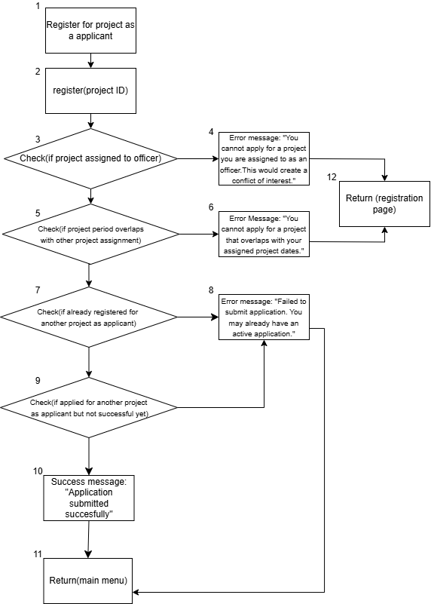

No | Basis Path | Path Description
1 | 1→2→3→4→12 | Officer is assigned for the project as an officer
2 | 1→2→3→5→6→12 | Officer has an active application for another project that overlaps
3 | 1→2→3→5→7→8→12 | Officer registered for another project as an applicant
4 | 1→2→3→5→7→9→10→11→12 | Officer applied for another project as an applicant
5 | 1→2→3→5→7→9→10→12 | Application submitted successfully

Test case 1

Test case input | Expected output | Actual Output
Project Acacia Breeze (Officer is assigned to Acacia Breeze) | Error message: "You cannot apply for a project you are assigned to as an officer” | Error message: "You cannot apply for a project you are assigned to as an officer”

Test case 2

Test case input | Expected output | Actual Output
Project Palm Trees(Officer already has an active application for Palm Trees) | Error message: "Failed to submit application. You may already have an active application" | Error message: "Failed to submit application. You may already have an active application"

Test case 3

Test case input | Expected output | Actual Output
Project River Valley(project period overlaps with other project assignment) | Error Message: "You cannot apply for a project that overlaps with your assigned project dates." | Error Message: "You cannot apply for a project that overlaps with your assigned project dates."

Test case 4

Test case input | Expected output | Actual Output
Project High Heights (fulfil all criteria) | Success message: "Application submitted successfully" | Success message: "Application submitted successfully"

